NSA DLC Summary
 |  |  |  |  |  |  |  |  |  |  |  |  |  |  |  |  |  |  |  | PART V REVENUE
DISTRICT SUMMARIES |  |  |  |  |  |  |  | DISTRICT SUMMARIES |  |  |  |  |  |  |  |  |  |  |  | DISTRICT SUMMARIES |  |  |  |  |  |  |  |  | DISTRICT SUMMARIES

DISTRICT | POPULA- | TOTAL | PROFES- | PROVI- | LIBRARIAN | OTHER | VOLUN- | DISTRICT | CATL | CATL | CATL | ITEMS/ | PERIOD- | TOTAL | CIRC/ | TURN- | INTER | INTER | WEB | DISTRICT | POPULA- | TOTAL | STATE | FEDERAL | OTHER | TOTAL | SCHOOL | EMPLOY- | DISTRICT | SALARIES | TOTAL | OTHER | TOTAL | TOTAL | OPR/ | LOCAL | STATE | TOTAL
CENTERS | TION | REGIS- | SIONAL | SIONAL | ASSISTANT | PAID | TEER | CENTERS | ITEMS | ITEMS | ITEMS | CAPITA | ICAL | CIRC | CAPITA | OVER | LOAN | LOAN | ACCESS | CENTERS | TION | LOCAL GOV | REVENUE | REVENUE | REVENUE | REVENUE | BOARD | MENT | CENTERS | WAGES & | LIBRARY | OPERATING | OPERATING | CAPITAL | CAP | OPERATING | OPERATING | FEDERAL
 | SERVED | TRATION | STAFF | STAFF | STAFF | STAFF | STAFF |  | ADDED | DELETED | EOY |  | TITLES |  |  |  | LENT | BORROW | PCs |  | SERVED | REVENUE |  |  |  |  | REVENUE | PROGRAMS |  | BENEFITS | MATERIALS | TOTAL | EXPEND | EXPEND |  | EXPEND | EXPEND | EXPEND

Montgomery | 16,269 | 5,957 | 3.14 | 0.00 | 0.00 | 5.29 | 2.23 | Montgomery | 5,413 | 3,360 | 69,817 | 4.29 | 166 | 97,428 | 5.99 | 1.40 | 0 | 105 | 15 | Montgomery | 16,269 | 442,000 | 0 | 0 | 145,475 | 587,475 | 0 | 0 | Montgomery | 342,366 | 69,781 | 161,390 | 573,537 | 0 | 35.253 | 573,537 | 0 | 0
Scranton | 0 | 301 | 0.00 | 0.00 | 0.00 | 0.40 | 0.00 | Scranton | 340 | 50 | 9,060 | 0.00 | 26 | 4,652 | 0.00 | 0.51 | 0 | 90 | 2 | Scranton | 0 | 3,750 | 0 | 0 | 8,622 | 12,372 | 0 | 0 | Scranton | 5,849 | 3,440 | 8,826 | 18,115 | 0 | 0.000 | 18,115 | 0 | 0

NON-STATE AIDED | 19,071* | 6,258 | 3.14 | 0.00 | 0.00 | 5.69 | 2.23 | NON-STATE AIDED | 5,753 | 3,410 | 78,877 | 3.30 | 192 | 102,080 | 3.85 | 1.29 | 0 | 195 | 17 | NON-STATE AIDED | 19,071* | 445,750 | 0 | 0 | 154,097 | 599,847 | 0 | 0 | NON-STATE AIDED | 348,215 | 73,221 | 170,216 | 591,652 | 0 | 25.981 | 591,652 | 0 | 0

STATE AIDED | 12,411,468 | 5,527,238 | 1,271.55 | 134.04 | 169.91 | 3,099.56 | 480.23 | STATE AIDED | 2,234,436 | 2,394,718 | 32,643,712 | 2.63 | 36,860 | 68,674,018 | 5.53 | 2.10 | 3,926,156 | 3,996,020 | 7,615 | STATE AIDED | 12,411,468 | 207,204,102 | 59,198,387 | 2,699,115 | 55,929,663 | 325,031,267 | 10,104,373 | 714,441 | STATE AIDED | 207,018,033 | 39,448,529 | 67,285,928 | 313,752,490 | 15,908,167 | 25.279 | 251,123,459 | 59,865,134 | 2,763,897

COMBINED TOTALS | 12,411,468 | 5,533,496 | 1,274.69 | 134.04 | 169.91 | 3,105.25 | 482.46 | COMBINED TOTALS | 2,240,189 | 2,398,128 | 32,722,589 | 2.64 | 37,052 | 68,776,098 | 5.54 | 2.10 | 3,926,156 | 3,996,215 | 7,632 | COMBINED TOTALS | 12,411,468 | 207,649,852 | 59,198,387 | 2,699,115 | 56,083,760 | 325,631,114 | 10,104,373 | 714,441 | COMBINED TOTALS | 207,366,248 | 39,521,750 | 67,456,144 | 314,344,142 | 15,908,167 | 25.327 | 251,715,111 | 59,865,134 | 2,763,897

 |  |  |  |  |  |  |  |  |  |  |  |  |  |  |  |  |  |  |  |  |  | 0
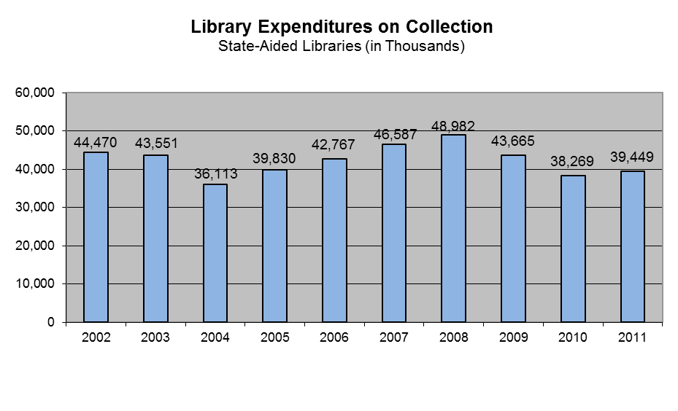
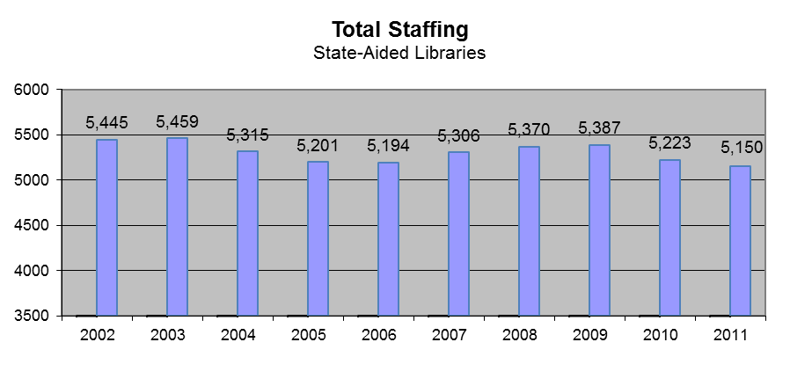
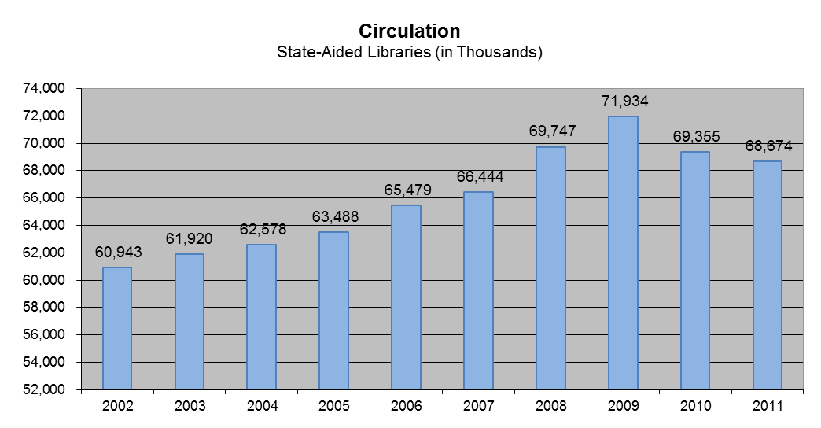
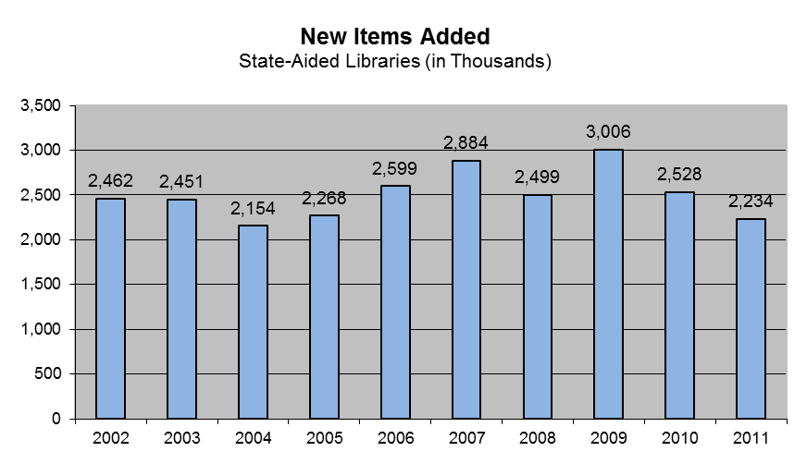
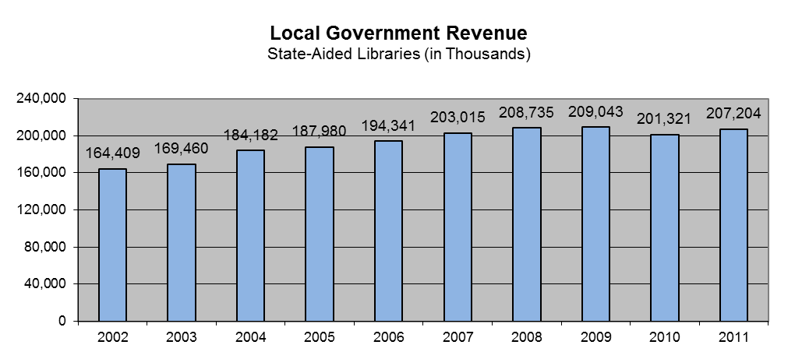
Total Library Expenditures State-Aided Libraries (in Thousands)
2002 | 286966
2003 | 286065
2004 | 281971
2005 | 294654
2006 | 310950
2007 | 327169
2008 | 338061
2009 | 335986
2010 | 308334
2011 | 313752

* These non-state-aided library populations are claimed & served by state-aided libraries |  |  |  |  |  |  |  |  |  |  |  |  |  |  |  |  |  |  |  | * These non-state-aided library populations are claimed & served by state-aided libraries

